View
layout
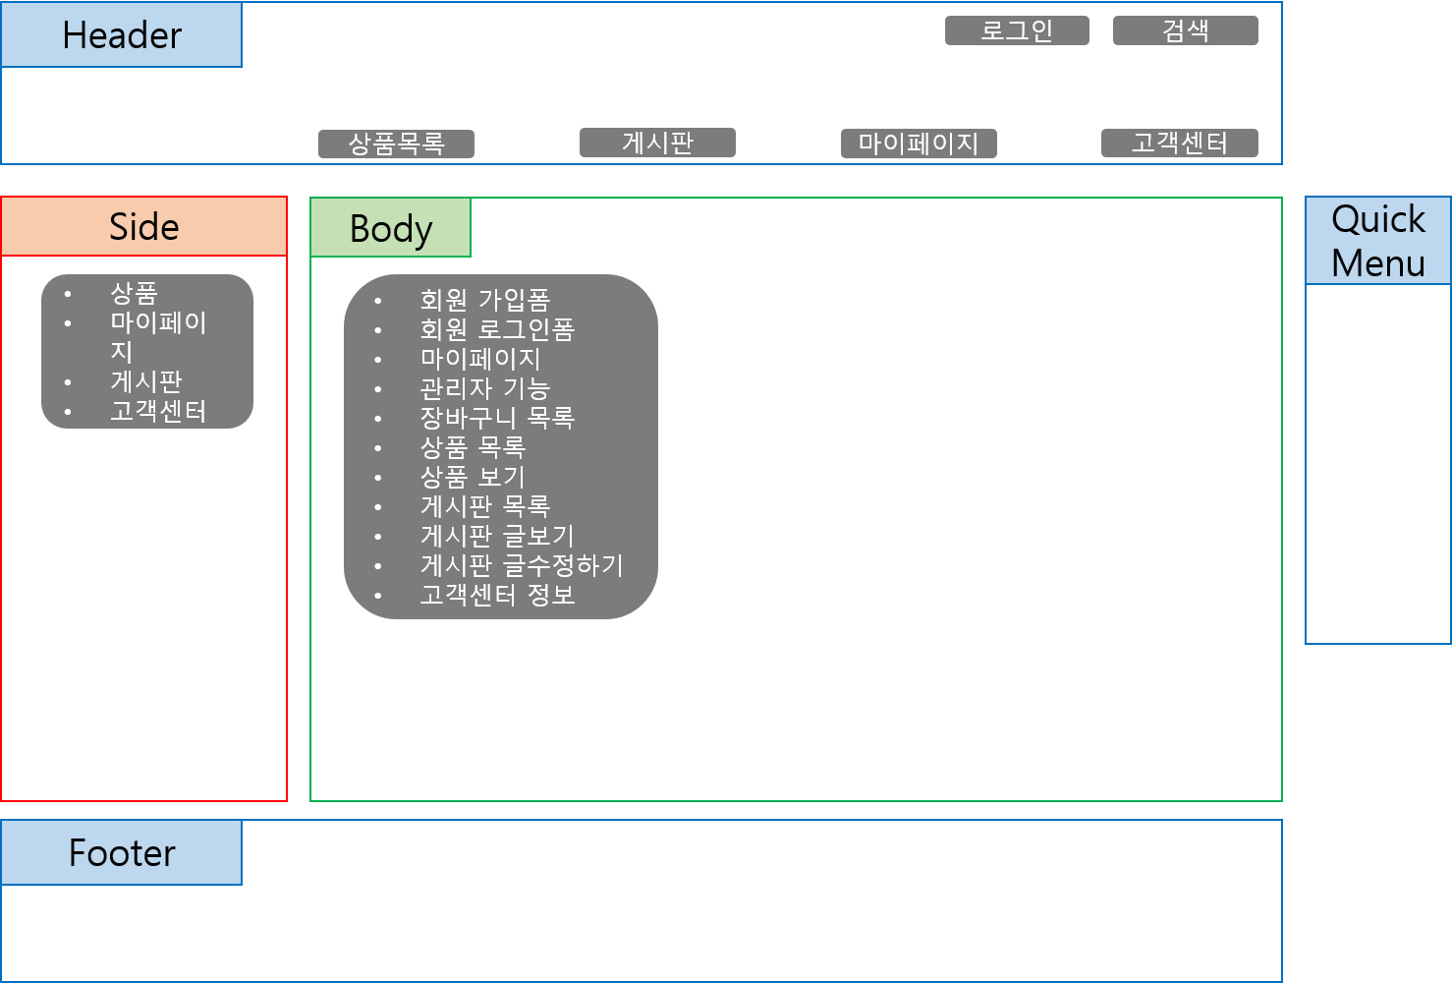

side | admin_mode | 상품관리
 |  | 주문관리
 |  | 회원관리
 |  | 게시판관리
 | mypage | 주문내역-주문정보
 |  | 정보내역-회원정보관리
 | default | 국내외 도서-IT/인터넷

DB
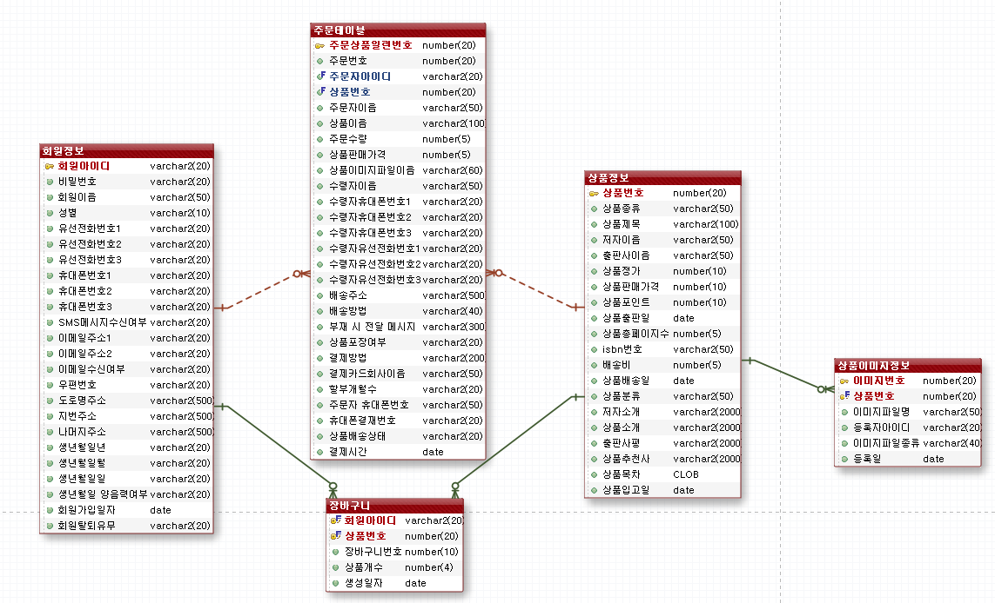
t_shopping_member
MEMBER_ID | MEMBER_PW | MEMBER_NAME | MEMBER_GENDER | TEL1 | TEL2 | TEL3 | HP1 | HP2 | HP3 | SMSSTS_YN | EMAIL1 | EMAIL2 | EMAILSTS_YN | ZIPCODE | ROADADDRESS | JIBUNADDRESS | NAMUJIADDRESS | MEMBER_BIRTH_Y | MEMBER_BIRTH_M | MEMBER_BIRTH_D | MEMBER_BIRTH_GN | JOINDATE | DEL_YN

t_shopping_goods
GOODS_ID | GOODS_SORT | GOODS_TITLE | GOODS_WRITER | GOODS_PUBLISHER | GOODS_PRICE | GOODS_SALES_PRICE | GOODS_POINT | GOODS_PUBLISHED_DATE | GOODS_TOTAL_PAGE | GOODS_ISBN | GOODS_DELIVERY_PRICE | GOODS_DELIVERY_DATE | GOODS_STATUS | GOODS_INTRO | GOODS_WRITER_INTRO | GOODS_PUBLISHER_COMMENT | GOODS_RECOMMENDATION | GOODS_CREDATE
394 | '컴퓨터와 인터넷' | '무작정 따라가기 홍콩 마카오' | 김수정 김승남' | '인포북스' | 30000 | 27000 | 1000 | '15/10/16' | 1000 | '121212' | 2000 | '18/10/18' | 'bestseller'

t_goods_detail_image
IMAGE_ID | GOODS_ID | FILENAME | REG_ID | FILETYPE | CREDATE
346 | 394 | '무작정 따라가기 홍콩 마카오.jpg' | 'admin' | 'main_image' | '18/10/16'

t_shopping_order
ORDER_SEQ_NUM | ORDER_ID | MEMBER_ID | GOODS_ID | ORDERER_NAME | GOODS_TITLE | ORDER_GOODS_QTY | GOODS_SALES_PRICE | GOODS_FILENAME | RECEIVER_NAME | RECEIVER_HP1 | RECEIVER_HP2 | RECEIVER_HP3 | RECEIVER_TEL1 | RECEIVER_TEL2 | RECEIVER_TEL3 | DELIVERY_ADDRESS | DELIVERY_METHOD | DELIVERY_MESSAGE | GIFT_WRAPPING | PAY_METHOD | CARD_COM_NAME | CARD_PAY_MONTH | PAY_ORDERER_HP_NUM | DELIVERY_STATE | PAY_ORDER_TIME | ORDERER_HP

t_shopping_cart
CART_ID | GOODS_ID | MEMBER_ID | DEL_YN | CREDATE | CART_GOODS_QTY

t_shopping_board
board_ID

